PRZYKLADY
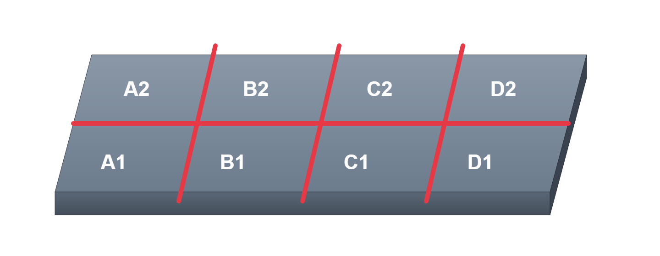
Przykład 3 sekcje:
102-R1-01-1
102-R1-01-2
102-R1-01-3

 | Legenda
 | 1. Sekcja - oś X na półce
 | 2. Wiersz - oś Y na półce - tylko lase
 | 3. Kod i nazwa są automatycznie generowane przykładowy
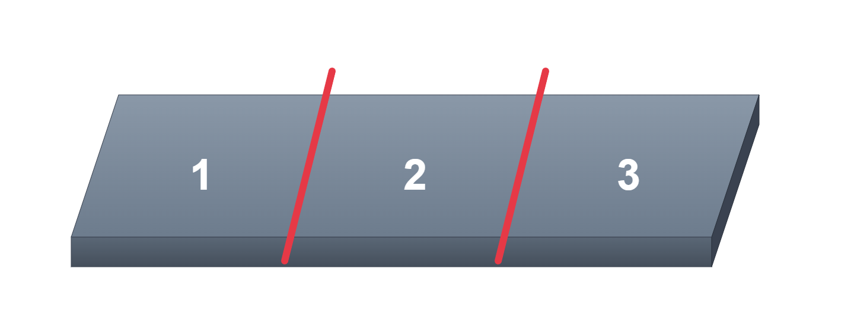
 | 4. IP REGAŁ (adres regału w sieci, uwaga musi być niezmienny zarezerwowany)
 | 5. CZERWONE POLA WYMAGANE (SEKCJA/PÓŁKA) OPCJONALNIE

